Sheet1
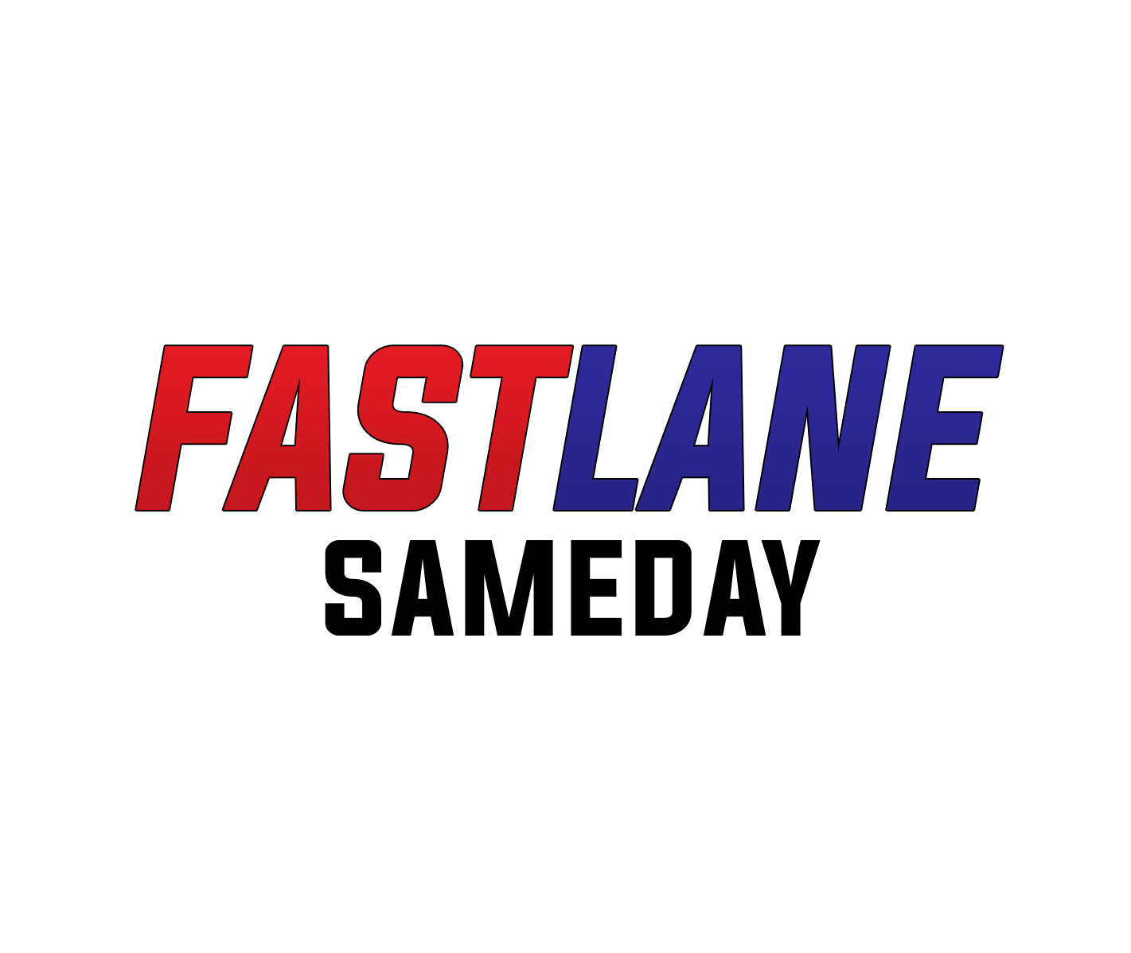
 |  | TRADE ACCOUNT APPLICATION FORM

Please complete the following information and return to sales@fastlanesameday.co.uk

Company Name

Company Address

 |  | Post Code
Telephone Number
Invoicing Address ? |  | YES |  |  |  | NO

Registered Office Address (if different)
Company Name

Company Address

 |  | Post Code
Telephone Number
Invoicing Address ? |  | YES |  |  |  | NO

Company Registration No.
Company VAT Number

Main Accounts Contact
Email address
Telephone Number

Credit Limit Required |  |  |  |  | Typical Monthly Spend

SIGNED

PRINT NAME
POSITION
DATED

FASTLANE IS THE TRADING IDENTITY OF REGALPAST LIMITED |  |  |  |  |  | REGISTERED OFFICE
COMPANY REGISTRATION NO. |  |  | 3996557 |  | 66 BELPER ROAD, DERBY, DE1 3EN
VAT NO. | 746 2835 13 |  |  | TELEPHONE : 01332 665533

